Arkusz1
SKU | Foto | Name | WHOLESALE | Retail | BOX - CARTON | BOX - CARTON
 |  | SINGLE STONE
SH-WS-0024 |  | SHARPI #240 |  | 14 | Box - 8 Carton - 32 | Product Size: 180*60*14mm
 |  |  |  |  |  | Single weight : 260g~270g
 |  |  |  |  |  | Material : Corundum 、TPR

SH-WS-0040 |  | SHARPI #400 |  | 15 | Box - 8 Carton - 32 | Product Size: 180*60*14mm
 |  |  |  |  |  | Single weight : 260g~270g
 |  |  |  |  |  | Material : Corundum 、TPR

SH-WS-0100 |  | SHARPI #1000 |  | 17.5 | Box - 8 Carton - 32 | Product Size: 180*60*14mm
 |  |  |  |  |  | Single weight : 260g~270g
 |  |  |  |  |  | Material : Corundum 、TPR

SH-WS-0300 |  | SHARPI #3000 |  | 20 | Box - 8 Carton - 32 | Product Size: 180*60*14mm
 |  |  |  |  |  | Single weight : 260g~270g
 |  |  |  |  |  | Material : Corundum 、TPR

SH-WS-0800 |  | SHARPI #8000 |  | 28 | Box - 8 Carton - 32 | Product Size: 180*60*14mm
 |  |  |  |  |  | Single weight : 260g~270g
 |  |  |  |  |  | Material : Corundum 、TPR

 |  | DOUBLE SIDED STONE
SH-WS-1860 |  | SHARPI #180/600 |  | 22 | Box - 4 Carton - 16 | Product Size: 180*60*27mm
 |  |  |  |  |  | Material : Corundum 、TPR
 |  |  |  |  |  | Single weight : 450g~460g

SH-WS-2410 |  | SHARPI #240/1000 |  | 28 | Box - 4 Carton - 16 | Product Size: 180*60*27mm
 |  |  |  |  |  | Material : Corundum 、TPR
 |  |  |  |  |  | Single weight : 450g~460g

SH-WS-6020 |  | SHARPI #600/2000 |  | 31.5 | Box - 4 Carton - 16 | Product Size: 180*60*27mm
 |  |  |  |  |  | Material : Corundum 、TPR
 |  |  |  |  |  | Single weight : 450g~460g

SH-WS-1030 |  | SHARPI #1000/3000 |  | 32.5 | Box - 4 Carton - 16 | Product Size: 180*60*27mm
 |  |  |  |  |  | Material : Corundum 、TPR
 |  |  |  |  |  | Single weight : 450g~460g

SH-WS-2050 |  | SHARPI #2000/5000 |  | 32.5 | Box - 4 Carton - 16 | Product Size: 180*60*27mm
 |  |  |  |  |  | Material : Corundum 、TPR
 |  |  |  |  |  | Single weight : 450g~460g

SH-WS-3080 |  | SHARPI #3000/8000 |  | 42 | Box - 4 Carton - 16 | Product Size: 180*60*27mm
 |  |  |  |  |  | Material : Corundum 、TPR
 |  |  |  |  |  | Single weight : 450g~460g

 |  | STONE SPLASH & GO
SH-PS-2410 |  | SHARPI #240/1000 |  | 36.5
 |  |  |  |  |  | PREMIUM BOX + HOLDER BOX+ DIAMOND | NEW !
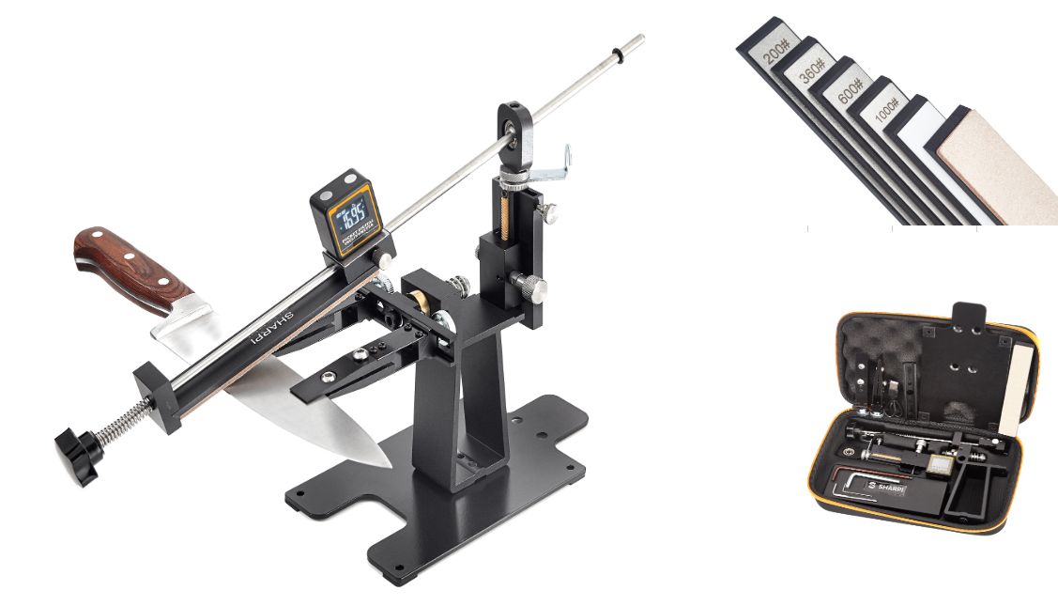

SH-PS-1030 |  | SHARPI #1000/3000 |  | 46.5

 |  |  |  |  |  | PREMIUM BOX + HOLDER BOX+ DIAMOND | NEW !

SH-PS-0010 |  | SHARPI #1000 |  | 30.5
 |  |  |  |  |  | SPLASH AND GO STONE ON GLASS
 |  |  |  |  |  |  | NEW !

 |  | SHARPI SYSTEM
SH-SYSTEM |  | SHARPI SYSTEM |  | 146 |  | Digital Inclinometer (Magnetic) | NEW !
 |  |  |  |  |  | 4 x SHARPI Diamond + Ceramic + leather | NEW !
 |  |  |  |  |  | EVA suitcase | NEW !
 |  |  |  |  |  | FULL METAL | NEW !
 |  | ACCESORIES
SH-WS-000L |  | SHARPI Leveling Stone |  | 14 | Box - 4 Carton - 16 | Product Size: 180*60*25mm
 |  |  |  |  |  | Material : 320# black silicon carbide
 |  |  |  |  |  | Single weight : 470g~490g

SH-SAG |  | SHARPI angle guide |  | 4.5 | Box - 16 Carton - 128 | Product Size: 100*20*17mm
 |  |  |  |  |  | Material : PP+Ceramic
 |  |  |  |  |  | Single weight : 13g

SH-SAP |  | SHARPI piramide angle guide 14/17/20 |  | 3.5

SH-HOLDER |  | SHARPI stone holder |  | 23

 |  | KITCHEN SHARPENERS
SH-K-0001 |  | SHARPI – Diamond wheel #360 |  | 4.6 | Box - 12 Carton - 48 | Product Size: 165*50*61mm
 |  |  |  |  |  | Material : ABS, Ceramic/Diamond, Silica gel
 |  |  |  |  |  | Single weight : 83g

SH-K-0002 |  | SHARPI WHEEL 6in1 - Kitchen, Sushi, Serated knifes |  | 15.5 | Box - 6 Carton - 48 | Product Size: 185*44*93mm
 |  |  |  |  |  | Material: ABS+Stainless Steel,Diamond
 |  |  |  |  |  | (360#&600#), Stainless steel,Ceramic,etc
 |  |  |  |  |  | Single weight : 223g

SH-K-0003 |  | SHARPI ANGLE - adjustable angle 12-24 |  | 16.5 | Box - 12 Carton - 24 | Product Size: 270*50*75mm
 |  |  |  |  |  | Material: ABS, TPE,Ceramic, Carbide
 |  |  |  |  |  | Single weight : 250g

SH-K-0004 |  | SHARPI – kitchen diamond sharpener 600/1000 |  | 13 | Box - 16 Carton - 48 | Product Size: 190*30*12mm
 |  |  |  |  |  | Material : ABS, Diamond (600#&1000#),Silica Gel
 |  |  |  |  |  | Single weight : 146g

SH-K-0005 |  | SHARPI – Two-stage diamond wheel #360 ceramic #1000 |  | 11 | Box - 9 Carton - 36 | Product Size: 130*70*40mm
 |  |  |  |  |  | Material : ABS, Ceramic, Diamond, Silica gel
 |  |  |  |  |  | Single weight : 126g

SH-K-0006 |  | SHARPI Diamond knife sharpener 240/400/600/1000 with 17° and 20° angle guide |  | 23

 |  | KITCHEN PROFESIONAL
SH-KP-0001 |  | SHARPI – diamond #360 ceramic #1000 |  | 23

 |  | ELECTRIC SHARPENER
SH-KE-001 |  | SHARPI - Diamond electric sharpener 360/600/1000 15° |  | 85
 |  |  |  |  |  |  | NEW !

 |  | SHARPENING ROD
SH-DR-0010 |  | SHARPI diamond rod 25cm #600 |  | 23.5 | Box - 8 Carton - 32 | Product Size: 416*46*30mm
 |  |  |  |  |  | Material : Nylon+Fiberglass,ABS,Diamond
 |  |  |  |  |  | Single weight : 270g

SH-DR-0012 |  | SHARPI diamond rod 30cm #600 |  | 28 | Box - 8 Carton - 32 | Product Size: 423*46*30mm
 |  |  |  |  |  | Material : Nylon+Fiberglass,ABS,Diamond
 |  |  |  |  |  | Single weight : 290g

SH-CR-0010 |  | SHARPI ceramic rod 25cm #1000 |  | 23.5 | Box - 8 Carton - 32 | Product Size: 200*79*81mm
 |  |  |  |  |  | Material : Nylon+Fiberglass,ABS,Diamond
 |  |  |  |  |  | Single weight : 290g

 |  | DIAMOND STONES
SH-D-3660S |  | SHARPI – diamond stone #360/600 |  | 23.5 | Box - 8 Carton - 32 | Product Size: 180*87*36mm
 |  |  |  |  |  | Material : ABS, PC, Diamond, stainless
 |  |  |  |  |  | steel, rubber
 |  |  |  |  |  | Single weight : 310g

SH-D-3660 |  | SHARPI – diamond stone #360/600 |  | 31.5 | Box - 12 Carton - 36 | Product Size: 217*106*44mm
 |  |  |  |  |  | Material : ABS,Diamond(360#&600#),Silica gel
 |  |  |  |  |  | Single weight : 503g

SH-D-6010 |  | SHARPI – diamond stone #600/1000 |  | 31.5 | Box - 12 Carton - 36 | Product Size: 217*106*44mm
 |  |  |  |  |  | Material : ABS,Diamond(600#&1000#),Silica gel
 |  |  |  |  |  | Single weight : 503g

 |  | OUTDOOR SHARPENERS
SH-OD-0001 |  | SHARPI butterfly diamond #360/600 |  | 11.5 | Box - 16 Carton - 96 | Product Size: 125*30*15mm
 |  |  |  |  |  | Material: ABS,Diamond (360#&600#),Stainless steel
 |  |  |  |  |  | Single weight : 102g

SH-OD-0002 |  | SHARPI 8in1 diamond #360/600, flint, whistle, compass |  | 16.5 | Box - 15 Carton - 120 | Product Size: 115*12*30mm
 |  |  |  |  |  | Material : ABS,320#/600Diamond, Stainless
 |  |  |  |  |  | steel,ceramic carbide
 |  |  |  |  |  | Single weight : 134g

SH-OD-0003 |  | SHARPI ACTIVE 6in1 garden diamond sharpener with wrench #10 #13 |  | 16.5 | Box - 24 Carton - 96 | Product Size: 150*27*15mm
 |  |  |  |  |  | Material : ABS,320#Diamond, Stainless
 |  |  |  |  |  | steel,1000#silicon carbide
 |  |  |  |  |  | Single weight : 113g
SH-OD-0004 |  | SHARPI Basic |  | 7 | Box - 16 Carton - 96 | Product Size: 160*70*20.5mm
 |  |  |  |  |  | Material : ABS,TPE, Carbide
 |  |  |  |  |  | Single weight : 45g

SH-OD-0005 |  | SHARPI Pen diamond sharpener |  | 12 | Box - 16 Carton - 64 | Product Size: 130*20*24mm
 |  |  |  |  |  | Material : ABS,Diamond
 |  |  |  |  |  | Single weight : 75g

SH-OD-0006 |  | SHARPI VITAL small portable sharpener carbide/ceramic |  | 6 | Box - 12 Carton - 96 | Product Size: 78*60*18mm
 |  |  |  |  |  | Material : ABS, Ceramic, Carbide,TPE
 |  |  |  |  |  | Single weight : 56g

SH-OD-0007 |  | SHARPI plate sharpener diamond 400 / ceramic 1000 |  | 16
 |  |  |  |  |  |  | NEW !

SH-OD-0008 |  | SHARPI 4in1 Diamond, Ceramic, Carbide Angle guide: 17&20 |  | 14
 |  |  |  |  |  |  | NEW !

SH-OD-0009 |  | SHARPI portable sharpener diamond/ceramic |  | 5
 |  |  |  |  |  |  | NEW !

